Access 3,900 FOs and 40,000 Ang
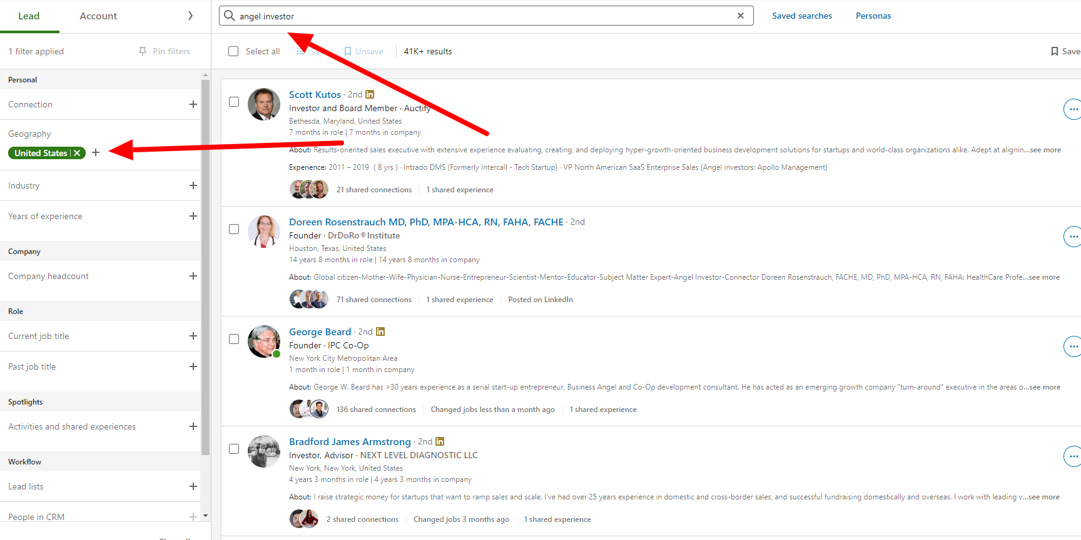
use linkedin sales navigator to access 4,000+ family offices - do search for "family office" - United States, Financial Services - you can refine georgraphy even further and target specific individuals within the family office by using the "role" filter

 | Linkedin SALES NAVIGATOR SCREEN

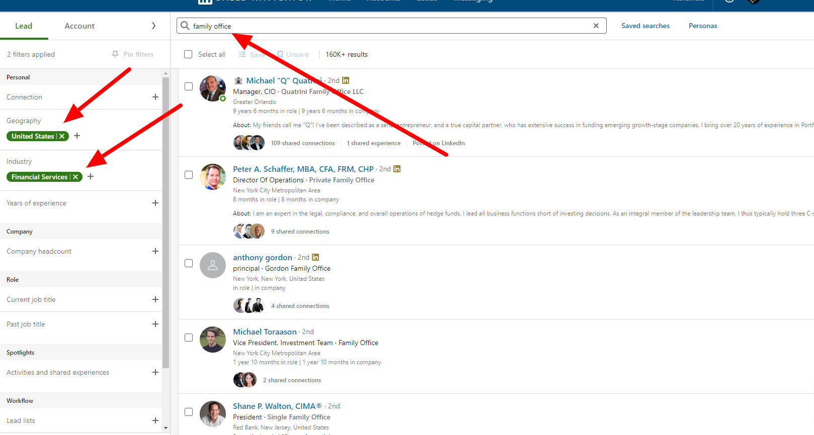

 | ACCESS 40,000 ANGELS BELOW with Sales Navigator

